Parameter_Input
Please input vehicle information in the yellow cells.

VIN No.

 |  | Input |  | メモ
Vehicle Length | from Ft bumper to vehicle end (incl. Rr body) |  | mm | mm (小数点以下は繰り上げ) して10 ⇒ 16進数化でOK。HEX関数
Radar Mounting Position (L/R) | Which side is the radar on?
0
+
ｰ
||
||
Radar Mounting Position (LAT) | Refer to "LAT" sheet. |  | mm | mm (小数点以下は繰り下げ) して10 ⇒ 16進数化する。式はR35情報確認
0
+
ｰ
Radar Mounting Position (LNG) | Refer to "LNG" sheet. |  | mm | mm (小数点以下は繰り下げ) して10 ⇒ 16進数化する。式はR35情報確認
Body Width | Distance between the outermost sides of the vehicle (excluding lamps and other items not included in the outermost part) |  | mm | mm (小数点以下は繰り上げ) して10 ⇒ 16進数化でOK。HEX関数

LAT
How to measuring
Please measure from vehicle center to the radar center

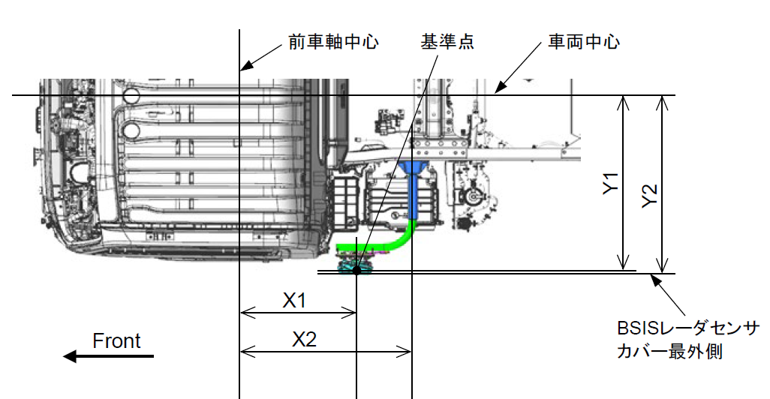
①
LAT
Radar Center
Radar Center

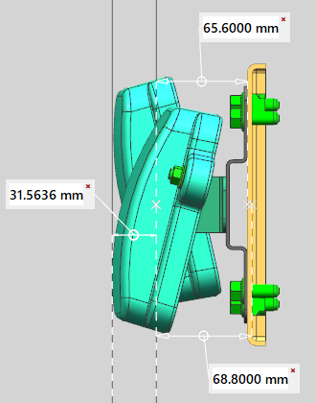

Vehicle Center

 |  | Frame width (mm) | ①
 | NPR88/75 | 850 | 425
 |  | 750 | 375
 | NMR88 | 700 | 350

LNG
How to measuring
Please measure from front end of the vehicle to the radar center
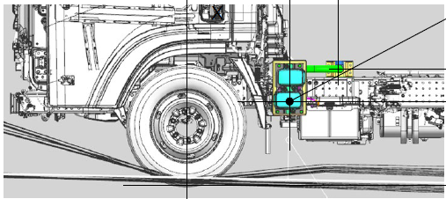
LNG
Front

LAT(ISZ BRKT)
Reference point
Ft Axle Center
Vehicle Center
 | Write using the length of Y1 as the "LAT"
 | Y1 can be divided into the following components:

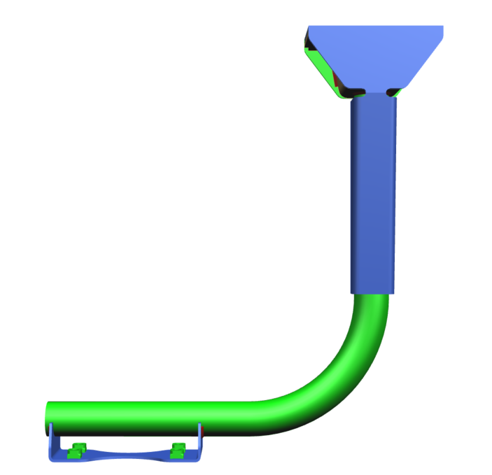
 | ① Vehicle center to frame |  | ② Arm Length
 | Harf the frame width. |  | Frame Mounting Position to Radar BRKT Mounting Position
①
L
 | Frame width (mm) | ①
NPR | 850 | 425
 | 750 | 375
NMR | 700 | 350

Outermost part of the sensor cover of the BSIS radar
 |  |  | In the case of using an Isuzu standard BRKT, it can be confirmed by the drawing.
 |  |  | Please see "Calculation" sheet.
 |  |  | Measurement is required for BRKT other than Isuzu's ones.
 | ③ Radar BRKT to Radar Center
 |  |  | LAT Parameter
 |  |  |  | Value (mm) | Remarks
 |  |  | ① | 425 | Harf the frame width
 |  |  | ② | 569.7 | Arm Length
 |  |  | ③ | 68.8 | BRKT to Radar Center
 |  |  | Y1 | 1063.5 | Radar Mounting Position (LAT)

LNG(ISZ BRKT)
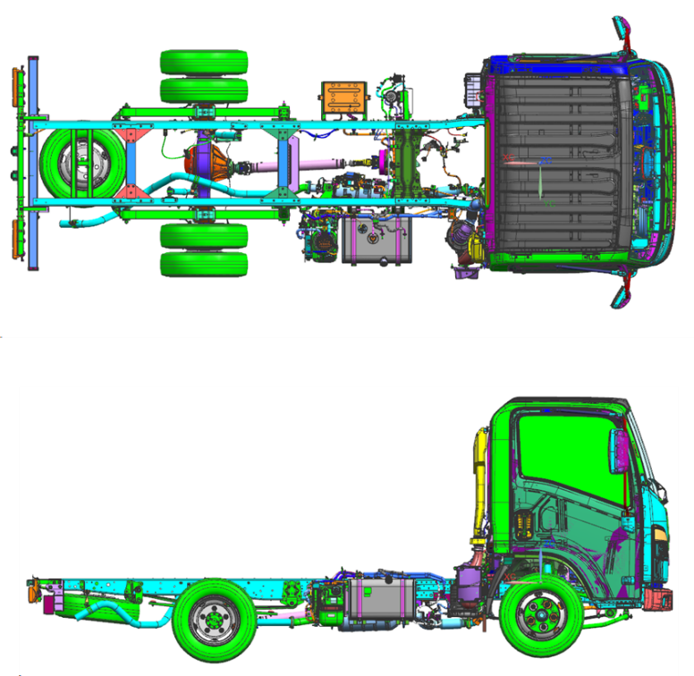
2X Single:1694mm
3X Single:1782mm
2X/3X:670mm
2X/3X:670mm
ROH(LNG)

CAB rear(LNG)
 |  |  |  |  |  |  |  |  | How to measuring
 |  |  |  |  |  |  |  |  | No need the measurement if using standard position of CAB rear or ROH. (Because the position is fixed)
 |  |  |  |  |  |  |  |  | The CAB rear / ROH mounting position is fixed so measurement is not required, but need to measurement if mounting position is between WB.

 |  |  |  |  |  |  |  |  | Image: Cab Rear Pattern
X1
Front
X2
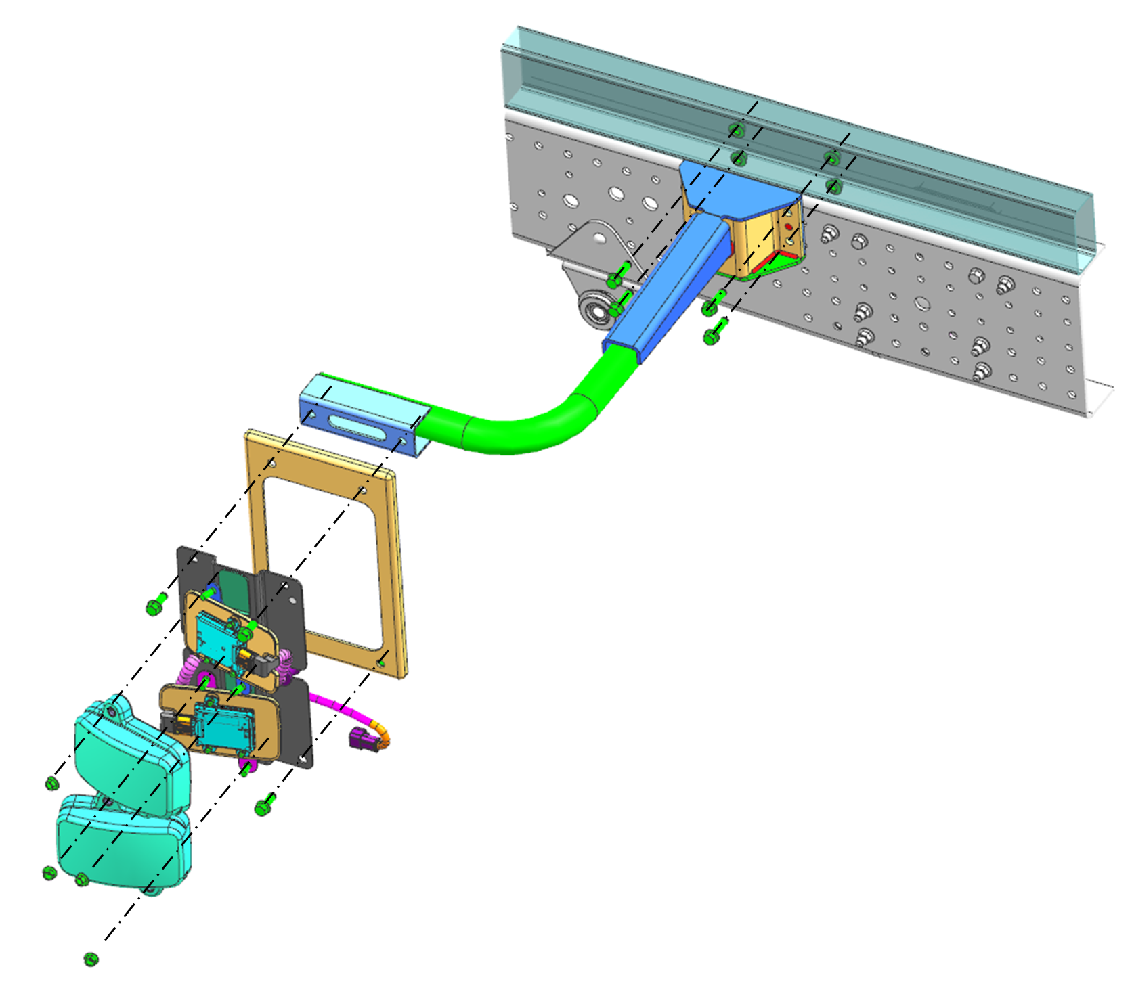
Component Structure
*The image is L-shaped (I-shaped is also available).

Between WB

 |  |  |  |  |  |  |  |  | X1
 |  |  |  |  |  |  |  |  | Please measure from front end of the vehicle to the center of the front assembly hole of tray BRKT (upper hole)
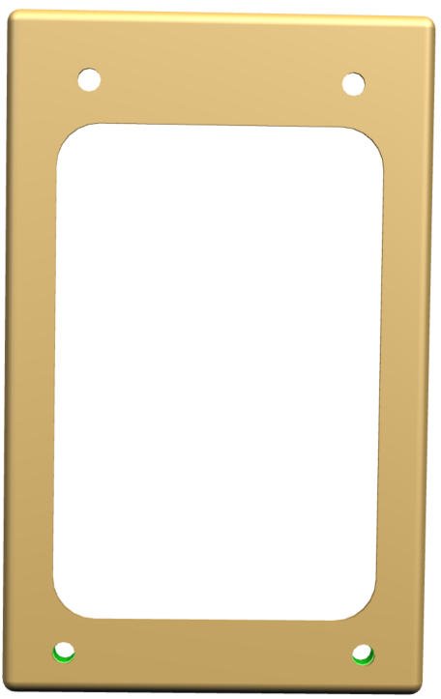
Front
Vehicle front end
X1
Reference: Standard Mounting Position of Rear Single CAB / ROH

LNG means the distance from the front end of the vehicle to center position of the radar.
(The center position is the same for both upper and lower radars.)
For Single CAB models, the standard mounting position is below.
X2
Mounting Position (ROH of Single CAB Model) |  |  |  |  |  |  | Mounting Position (CAB rear of Single CAB Model)
CAB | FOH | WB |  | Radar Mounting Position |  |  | CAB | Distance from the front end of the vehicle (LNG)
 |  |  |  | Distance from rear axle | TL | Distance from the front end of the vehicle (LNG)
2X | 1094 | E-WBⅠ | 2475 | 670 | 3160 | 4239 | 2X | 1694
No setting
 | 1094 |  | 2490 | 670 | 3175 | 4254 | ３X | 1782 | X2
 | 1094 | E-WB | 2500 | 670 | 3185 | 4264 |  |  | The length from the front assembly hole of tray BRKT to center of the radar.
 | 1094 | F-WB | 2750 | 670 | 3435 | 4514 |  |  | When using ISZ BRKT, length is 62 mm.
 | 1094 | F-WB | 2760 | 670 | 3445 | 4524
 | 1094 | H-WB | 3345 | 670 | 4030 | 5109
 | 1094 | H-WB | 3360 | 670 | 4045 | 5124
3X | 1112 | F-WB | 2765 | 670 | 3440 | 4547
No setting
 | 1112 |  | 2795 | 670 | 3470 | 4577 |  |  |  | LNG position
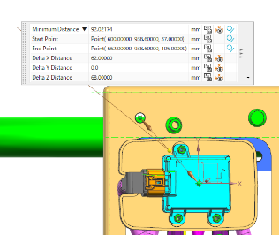
 | 1112 | H-WB | 3365 | 670 | 4040 | 5147 |  |  |  |  | length [mm] | Remarks
 | 1112 | H-WB | 3395 | 670 | 4070 | 5177 |  |  |  | X1 | please input | Measurement required
 | 1112 | K-WB | 3815 | 670 | 4490 | 5597 |  |  |  | X2 | 62 | Fixed value
No setting
 | 1112 |  | 3845 | 670 | 4520 | 5627 |  |  |  | X1+X2 | #VALUE! | RADAR MOUNTING POSITION (= LNG)
No setting
 | 1112 |  | 4175 | 670 | 4850 | 5957
No setting
 | 1112 |  | 4260 | 670 | 4935 | 6042
 | 1112 | M-WB | 4475 | 670 | 5150 | 6257

Calculation
Parts List
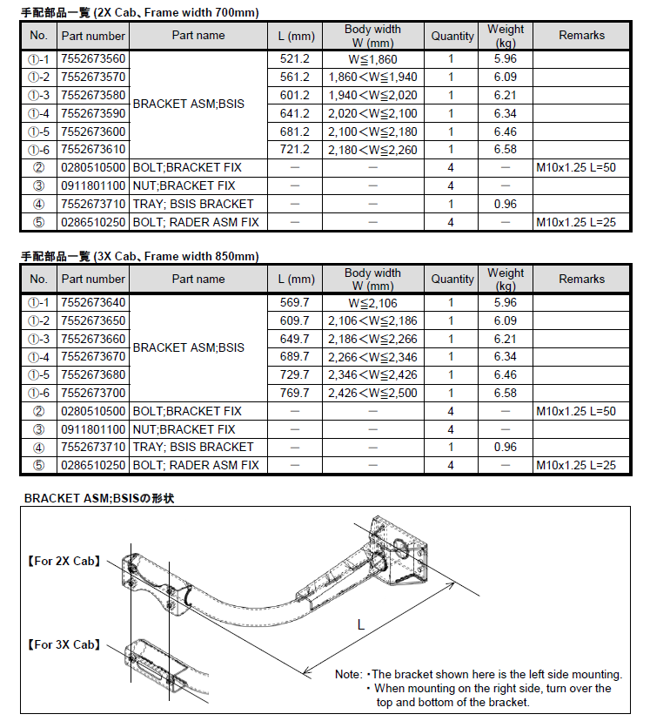
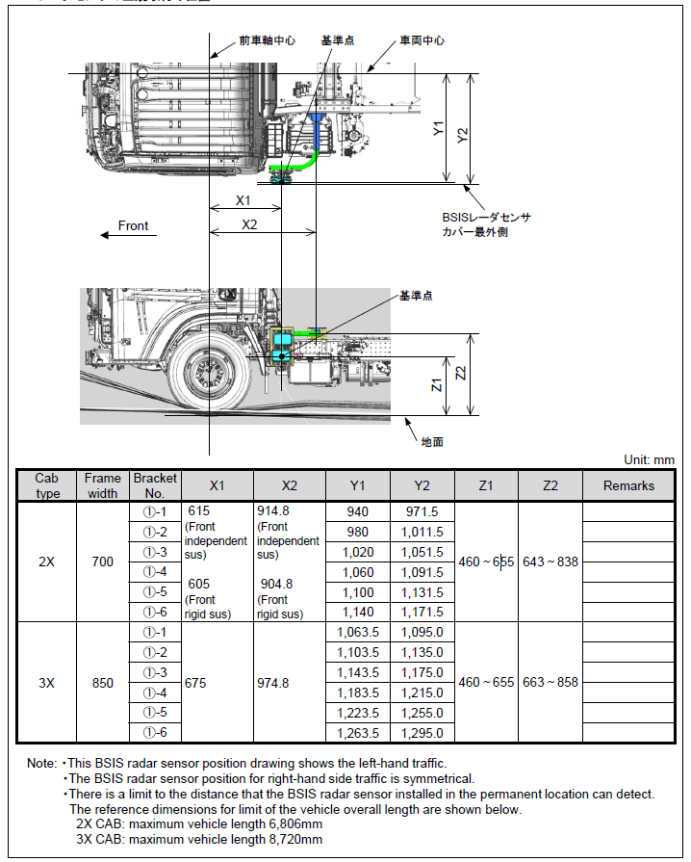
Ft Axle Center
Reference point
Vehicle Center
ISUZU | MIDI |  | Mounting Position (Y1 = LAT) | Arm Length (L) | Frame Width | Frame Width/2 | Arm to radar center distance
①-1 |  | ２X | 940 | 521.2 | 700 | 350 | 68.8
①-2 | 1 |  | 980 | 561.2 | 700 | 350 | 68.8
①-3 | 2 |  | 1020 | 601.2 | 700 | 350 | 68.8
①-4 | 3 |  | 1060 | 641.2 | 700 | 350 | 68.8
①-5 | 4 |  | 1100 | 681.2 | 700 | 350 | 68.8
①-6 | 5 |  | 1140 | 721.2 | 700 | 350 | 68.8
Outermost part of the sensor cover of the BSIS radar
①-1 |  | 3X | 1063.5 | 569.7 | 850 | 425 | 68.8
①-2 | 1 |  | 1103.5 | 609.7 | 850 | 425 | 68.8
Parts List
Reference point
①-3 | 2 |  | 1143.5 | 649.7 | 850 | 425 | 68.8
①-4 | 3 |  | 1183.5 | 689.7 | 850 | 425 | 68.8
①-5 | 4 |  | 1223.5 | 729.7 | 850 | 425 | 68.8
①-6 | 5 |  | 1263.5 | 769.7 | 850 | 425 | 68.8

Ground

